Manpower
HR Dashboard
Module I: Manpower
DL
Business: | Car |  |  |  |  |  |  |  |  |  |  |  | Business: | Motorcycle
As of: | 1 Feb 2021 |  |  |  |  |  |  |  |  |  |  |  | As of | 1 Feb 2021
Headcount-A shift
Headcount-B shift
Headcount

Gender-A shift
Gender-B shift
Gender

Headcount Classify by Contract
 | Core | Limited | ZAK
Jan | 10 | 14 | 53
Feb | 10 | 14 | 53
Mar
Apr
May
Jun
July
Aug
Sep
Oct
Nov
Dec
Headcount Classify by Contract-A shift
 | Core | Limited | ZAK
Jan | 166 | 2 | 265
Feb | 166 | 2 | 265
Mar
Apr
May
Jun
July
Aug
Sep
Oct
Nov
Dec
Headcount Classify by Contract-B shift
 | Core | Limited | ZAK
Jan | 70 | 3 | 292
Feb | 70 | 3 | 292
Mar
Apr
May
Jun
July
Aug
Sep
Oct
Nov
Dec

Turn over rated - A shift |  |  |  |  |  | Turn over rated - B shift |  |  |  |  |  |  | Turn over rated
Distribution age -A shift |  |  |  |  |  | Distribution age -B shift |  |  |  |  |  |  | Distribution age
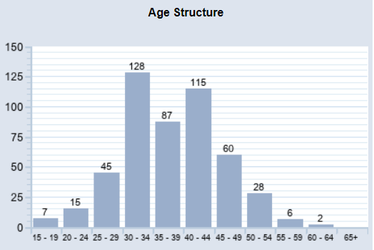

A shift
 | Target | Plan | Actual |  | Male | Female |  |  |  |  |  |  |  | A shift | Target | Plan | Actual
TV-42-AM | 2 | 2 | 2 | A shift | 340 | 66 |  |  |  |  |  |  |  | EX-T-Z-5 | 54 | 51.3 | 51
TV-421 | 136 | 129.2 | 125 |  |  |  |  |  |  |  |  |  |  | TV-4216 | 23 | 21.85 | 20
TV-424 | 282 | 267.9 | 270 |  |  |  |  |  |  |  |  |  |  |  | 77 | 73.15 | 71
TV-425 | 11 | 10.45 | 9
 | 431 | 409.55 | 406

A shift | Jan | Feb | Mar | Apr | May | Jun | July | Aug | Sep | Oct | Nov | Dec
Core | 166 | 166 |  |  |  |  |  |  |  |  |  |  |  |  | Male | Female
Limited | 2 | 2 |  |  |  |  |  |  |  |  |  |  |  | Total | 60 | 11
ZAK | 265 | 265

B shift | Jan | Feb | Mar | Apr | May | Jun | July | Aug | Sep | Oct | Nov | Dec
Core | 70 | 70
Limited | 3 | 3
ZAK | 292 | 292

Motorcycle | Jan | Feb | Mar | Apr | May | Jun | July | Aug | Sep | Oct | Nov | Dec
Core | 10 | 10
Limited | 14 | 14
ZAK | 53 | 53

B shift
 | Target | Plan | Actual |  | Male | Female
TV-42-AM |  |  |  | Total | 350 | 9
TV-421 | 114 | 108.3 | 110
TV-424 | 242 | 229.9 | 240
TV-425 | 12 | 11.4 | 9
 | 368 | 349.6 | 359

